Document History
국민대학교 종합정보시스템 구축
업무기능분해도
Document History

No | Version | Change Date | Change Cause | Change Description | Author | Approver
1 | v1.0 | 10-02-2016 | new | Initial | Application Team | K.H.Ryu

SIT-CVM-MAO-01
▣ Scenario SIT-CVM-MAO-01

SCVM
002. Upload validation data to SMC
001. Fare Media validation
003. Transmit validation data to AMC
SMC
004. Transmit validation data to OASA-MC
AMC
OASA-MC
005. Receiving validation data at OASA MC
▶ Desc & Flow
Description |  | “Fare media validation” means validation of Fare Media of Athens based on OASA and TrainOSE travel product. And upload datas of validation to SMC / AMC / OASA-MC
Biz flow

▶ Advance preparation
Preparation |  | SCVM, SMC, AMC, OASA-MC 1ea

▶ Data
NO | Item | 1 | 2 | 3 | 4 | 5
1 | N/A

001
▶ Test Case SIT-CVM-MAO-01-001 : Fare Media Validation

1. Test Scenario
Test date |  | 1st |  | Tester |  | 1st
 |  | 2nd |  |  |  | 2nd
 |  | 3rd |  |  |  | 3rd

Fare Media (Paper Card)Validation and Save
Fare Media (Plastic Card)Validation and Save
Description |  | Fare Media Validation |  |  |  |  | Written by |  | KIM J.E.
Flow

NO | Task | Test data | Expected result | Person in charge | Result |  | Pass/Fail |  |  | Remark
 |  |  |  |  |  |  | 1st | 2nd | 3rd
1 | Tap the Fare Media (Paper Card) on the SCVM | Test data : A | Expected result : A | KIM J.E. | 1st
 |  |  |  |  | 2nd
 |  |  |  |  | 3rd
2 | Tap the Fare Media (Plastic Card) on the SCVM | Test data : B | Expected result : B | KIM J.E. | 1st
 |  |  |  |  | 2nd
 |  |  |  |  | 3rd

NO | Item | Value
A | Paper card(Ultra Light) (not expired to use) | OASA Travel Product | Intergrated ticket for all modes (Valid for 90 mins)
 |  |  | 24-hour ticket for all modes
 |  |  | 5-day ticket for all modes
 |  |  | Return Metro ticket for the airport (for 2 journeys in under 7 days)
 |  |  | Airport METRO Ticket to & from Pallini- Kantza – Koropi Stations
 |  |  | Express Bus ticket for the airport
 |  |  | 3-day Tourist ticket (includes 1 roundtrip to/from the Airport)
 |  |  | Metro ticket for the airport
 |  |  | Metro ticket for the airport (for 2 people)
 |  |  | Metro ticket for the airport (for 3 people)
 |  | TrainOSE Travel Product | One-Way Trip Ticket
 |  |  | Round Trip Ticket
B | Plastic card(DESFire) (not expired to use) | OASA Travel Product | Monthly card for all modes excluding AIRPORT services and X80
 |  |  | 3-months card for all modes excluding AIRPORT services and X80
 |  |  | 6-month cards for all modes excluding AIRPORT services and X80
 |  |  | Annual cards for all modes excluding AIRPORT services and X80
 |  |  | Monthly card for all modes excluding Bus X80
 |  |  | 3-month cards for all modes excluding Bus X80
 |  |  | 6-month cards for all modes excluding Bus X80
 |  |  | Annual cards for all modes excluding Bus X80
 |  | TrainOSE Travel Product | 6 days
 |  |  | 15 days
 |  |  | Monthly Card
 |  |  | 3-month Card
 |  |  | 6-months Card
 |  |  | Annual Card

3. Expected result |  |  |  | Expect Result : FOR METRO AİRPORT STATİON | Expect Result : FOR METRO PIRAEUS STATİON
A | Paper card(Ultra Light) (not expired to use) | OASA Travel Product | Intergrated ticket for all modes (Valid for 90 mins) | 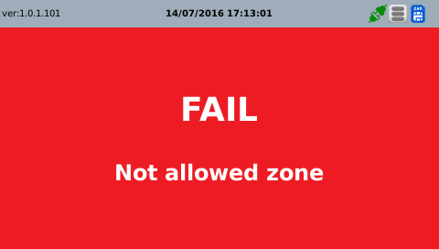
 |  |  | 24-hour ticket for all modes |  | 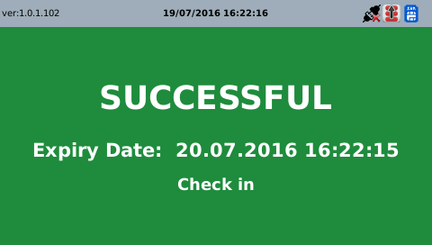
 |  |  | 5-day ticket for all modes |  | 
 |  |  | Airport METRO Ticket to & from Pallini- Kantza – Koropi Stations | 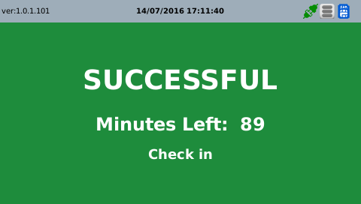
 |  |  | Express Bus ticket for the airport | 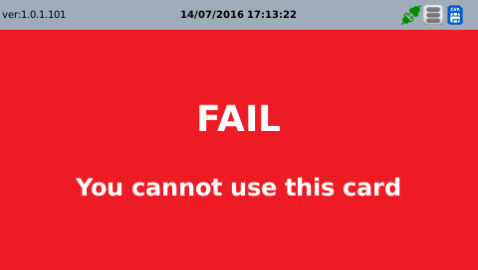
 |  |  | 3-day Tourist ticket (includes 1 roundtrip to/from the Airport) | 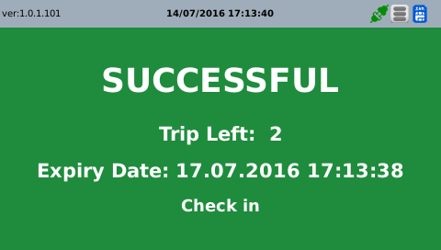
 |  |  | Metro ticket for the airport | 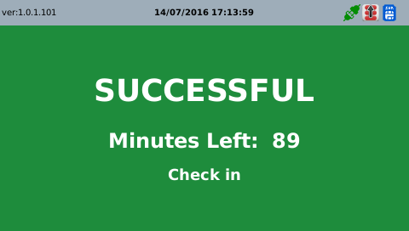
 |  |  | Metro ticket for the airport (for 2 people) | 
 |  |  | Metro ticket for the airport (for 3 people) | 
 |  | TrainOSE Travel Product | One-Way Trip Ticket | 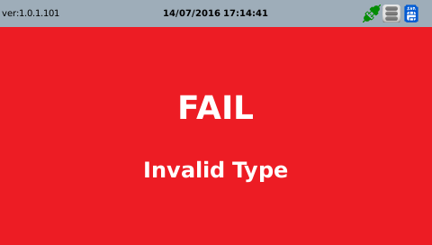
 |  |  | Round Trip Ticket | 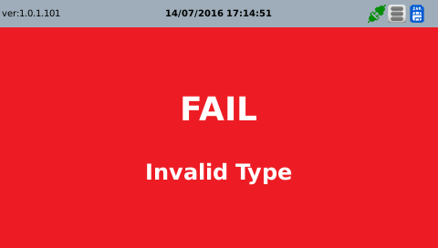
B | Plastic card(DESFire) (not expired to use) | OASA Travel Product | Monthly card for all modes excluding AIRPORT services and X80 | 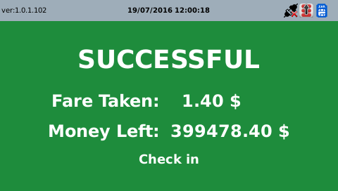 Success | 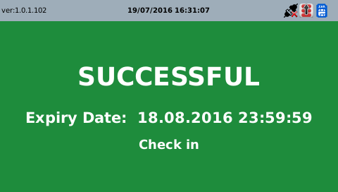
 |  |  | 3-months card for all modes excluding AIRPORT services and X80 | Success | 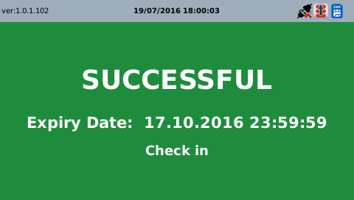
 |  |  | 6-month cards for all modes excluding AIRPORT services and X80 |  | 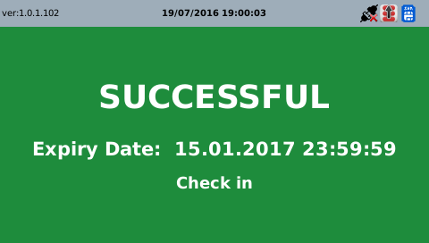
 |  |  | Annual cards for all modes excluding AIRPORT services and X80 |  | 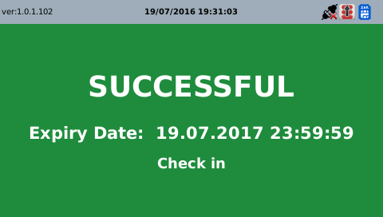
 |  |  | Monthly card for all modes excluding Bus X80 | 
 |  |  | 3-month cards for all modes excluding Bus X80 | 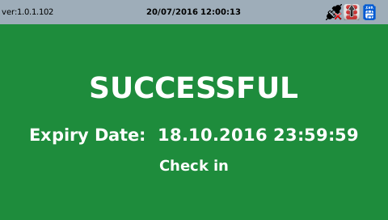 Success
 |  |  | 6-month cards for all modes excluding Bus X80 | 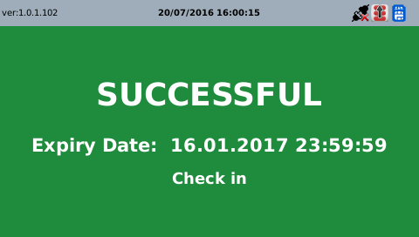 Success
 |  |  | Annual cards for all modes excluding Bus X80 | 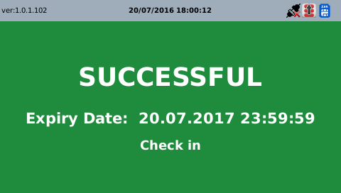 Success
 |  | TrainOSE Travel Product | 6 days | 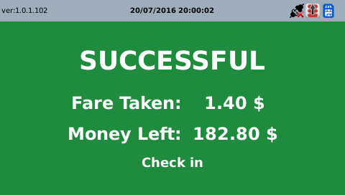
 |  |  | 15 days
 |  |  | Monthly Card |  | 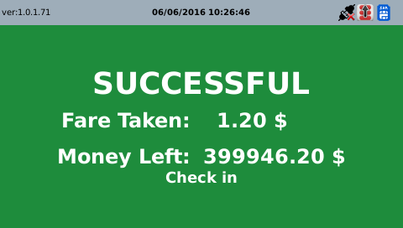
 |  |  | 3-month Card
 |  |  | 6-months Card
 |  |  | Annual Card

SVT Card ScreenShot For Greece Language |  | 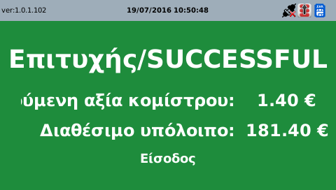 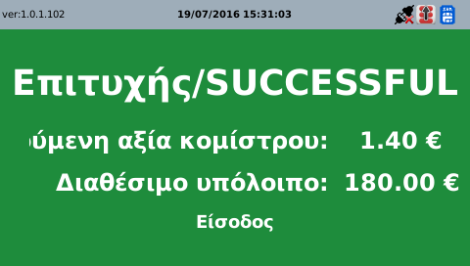

002
▶ Test Case SIT-CVM-MAO-01-002 : Upload validation data to SMC

1. Test Scenario
Test date |  | 1st |  | Tester |  | 1st
 |  | 2nd |  |  |  | 2nd
 |  | 3rd |  |  |  | 3rd

SCVM
Send the transaction data to SMC
SMC
Description |  | Upload validation data to SMC |  |  |  |  | Written by |  | KIM J.E.
Flow

NO | Task | Test data | Expected result | Person in charge | Result |  | Pass/Fail |  |  | Remark
 |  |  |  |  |  |  | 1st | 2nd | 3rd
1 | Send the transaction data to SMC -. After validation, SCVM save the transaction data. -. Send the transaction data to SMC | As soon as it makes the transaction data, SCVM sends this data to SMC. | Sending is OK | KIM J.E. | 1st |  |  |  |  | Test Data:B
 |  |  |  |  | 2nd
 |  |  |  |  | 3rd

2. Test Data
NO | Item | Value
A | Transaction data [MA601]
B | 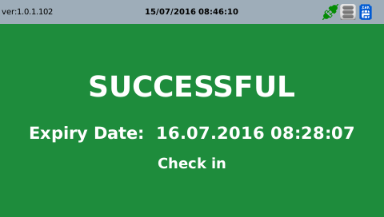 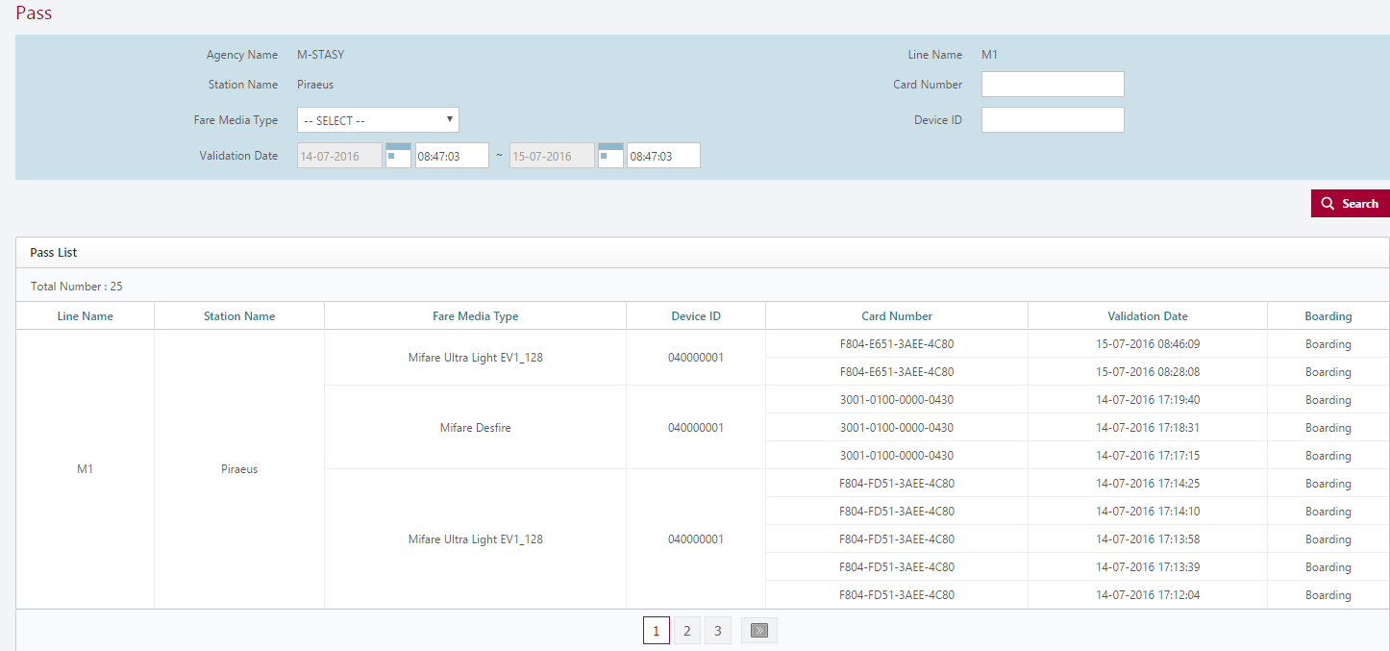

003
▶ Test Case SIT-CVM-MAO-01-003 : Transmit validation data to AMC

1. Test Scenario
Test date |  | 1st |  | Tester |  | 1st
 |  | 2nd |  |  |  | 2nd
 |  | 3rd |  |  |  | 3rd

Receiving Transmit validation data from SCVM
Duplicated?
Yes
No
Stored in transmit data table
Stored in dupliated data table
Sending Transmit validation data to AMC
Description |  | Transmit validation data to AMC |  |  |  |  | Written by |  | CHOI H.T.
Flow

NO | Task | Test data | Expected result | Person in charge | Result |  | Pass/Fail |  |  | Remark
 |  |  |  |  |  |  | 1st | 2nd | 3rd
1 | [Receiving Transmit validation data from SCVM] 1. Menu: Clearing > Tap Data > Stored Value Ticket(or Season Ticket) 2. Input inquiry condition. 3. Click 'Search' button. | Test Data: A | 1. Show transaction list that meets the inquiry condition. | CHOI H.T. | 1st
 |  |  |  |  | 2nd
 |  |  |  |  | 3rd
2 | [Receiving Duplicated Transmit validation data from SCVM] 1. Menu: Clearing > Tap Data > Duplicated Data 2. Input inquiry condition. 3. Click 'Search' button. | Test Data: B | 1. Show duplicated transaction list that meets the inquiry condition. | CHOI H.T. | 1st
 |  |  |  |  | 2nd
 |  |  |  |  | 3rd
3 | [Sending Transmit validation data to AMC] 1. Location: '#devonhome/log/testdatedebug.log' | N/A | 1. Check debug log - Message ID : MM601 | CHOI H.T. | 1st
 |  |  |  |  | 2nd
 |  |  |  |  | 3rd

2. Test Data
NO | Item | Value
A | Card Number | 3001-0100-0000-0075
 | Fare Media Type | Mifare Desfire
 | Device ID | 040000001
 | Usage Date | Test Date
B | Device ID | 040000001
 | Card Number | 3001-0100-0000-0075
 | Usage Date | Test Date

004
▶ Test Case SIT-CVM-MAO-01-004 : Transmit validation data to OASA

1. Test Scenario
Test date |  | 1st |  | Tester |  | 1st
 |  | 2nd |  |  |  | 2nd
 |  | 3rd |  |  |  | 3rd

Receiving Transmit validation data from SMC
Duplicated?
Yes
No
Stored in transmit data table
Stored in dupliated data table
Sending Transmit validation data to OASA-MC
Description |  | Transmit validation data to OASA-MC |  |  |  |  | Written by |  | BAEK J.M
Flow

NO | Task | Test data | Expected result | Person in charge | Result |  | Pass/Fail |  |  | Remark
 |  |  |  |  |  |  | 1st | 2nd | 3rd
1 | [Receiving Transmit validation data from SMC] 1. Menu: Clearing > Tap Data > SVT Transaction(or Pass Transaction) 2. Input inquiry condition. 3. Click 'Search' button. | Test Data: A | 1. Show transaction list that meets the inquiry condition. | BAEK J.M | 1st
 |  |  |  |  | 2nd
 |  |  |  |  | 3rd
2 | [Receiving Duplicated Transmit validation data from SMC] 1. Menu: Clearing > Tap Data > Invalid Transaction 2. Input inquiry condition. 3. Click 'Search' button. | Test Data: B | 1. Show duplicated transaction list that meets the inquiry condition. | BAEK J.M | 1st
 |  |  |  |  | 2nd
 |  |  |  |  | 3rd
3 | [Sending Transmit validation data to OASA-MC] 1. AMC Create File to Transmit validation-data by job scheduler | Query C | 1. Executing Query C on AMC DB, show the result of data that meet conditions. | BAEK J.M | 1st
 |  |  |  |  | 2nd
 |  |  |  |  | 3rd

2. Test Data
NO | Item | Value
A | Card Number | 3001-0100-0000-0075
 | Fare Media Type | Mifare Desfire
 | Usage Date | Test Date
B | Agency Name | M-STASY
 | Usage Date | Test Date
C | Query C | Select * from TBAAD311 where device_id='010000099' and card_num='3001010000000075' and use_date=${Test Date}

005
▶ Test Case SIT-CVM-MAO-01-005 : Receiving validation data at OASA MC

1. Test Scenario
Test date |  | 1st |  | Tester |  | 1st
 |  | 2nd |  |  |  | 2nd
 |  | 3rd |  |  |  | 3rd

Receiving Transmit validation data from AMC
Validation
Yes
No
Stored in Invalid Transaction data table
Stored in transmit data table
Description |  | Receiveing validation data at OASA-MC |  |  |  |  | Written by |  | BAEK J.M
Flow

NO | Task | Test data | Expected result | Person in charge | Result |  | Pass/Fail |  |  | Remark
 |  |  |  |  |  |  | 1st | 2nd | 3rd
1 | [Receiving Transmit validation data from AMC] 1. Menu: Clearing > Tap Data > Valid Tap Data 2. Input inquiry condition. 3. Click 'Search' button. | Test Data: A | 1. Show transaction list that meets the inquiry condition. | BAEK J.M | 1st
 |  |  |  |  | 2nd
 |  |  |  |  | 3rd
2 | [Receiving Invalid Transmit Transaction data from AMC] 1. Menu: Clearing > Tap Data > Invalid Tap Data 2. Input inquiry condition. 3. Click 'Search' button. | Test Data: B | 1. Show duplicated transaction list that meets the inquiry condition. | BAEK J.M | 1st
 |  |  |  |  | 2nd
 |  |  |  |  | 3rd

2. Test Data
NO | Item | Value
A | Transaction Type | SVT Transaction
 | Date Type | USE_DATE
 | Use Date | Test Date
 | Card Number | 3001-0100-0000-0075
B | Error Date | Test Date
 | Agency | M-STASY
B

